Sheet1
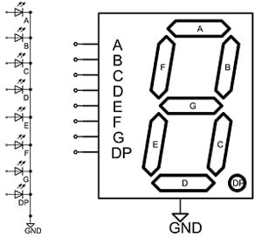
8 | 4 | 2 | 1
A | B | C | D | a | b | c | d | e | f | g | NR
0 | 0 | 0 | 1 | 0 | 1 | 1 | 0 | 0 | 0 | 0 | 1
0 | 0 | 1 | 0 | 1 | 1 | 0 | 1 | 1 | 0 | 1 | 2
0 | 0 | 1 | 1 | 1 | 1 | 1 | 1 | 0 | 0 | 1 | 3
0 | 1 | 0 | 0 | 0 | 1 | 1 | 0 | 0 | 1 | 1 | 4
0 | 1 | 0 | 1 | 1 | 0 | 1 | 1 | 0 | 1 | 1 | 5
0 | 1 | 1 | 0 | 1 | 0 | 1 | 1 | 1 | 1 | 1 | 6
0 | 1 | 1 | 1 | 1 | 1 | 1 | 0 | 0 | 0 | 0 | 7
1 | 0 | 0 | 0 | 1 | 1 | 1 | 1 | 1 | 1 | 1 | 8
1 | 0 | 0 | 1 | 1 | 1 | 1 | 1 | 0 | 1 | 1 | 9

